DailyRateSheet
 |  |  |  |  |  |  |  | 1/17/19
 |  |  |  | Rate Indications
To refresh rates right click anywhere on the Rate Indications and click on "Refresh" as shown below.
Make sure data connections are "Enabled" if a warning appears in the ribbon area.
 |  | To take down an advance, contact the Member Transaction Desk:
 |  | 855-345-2244, Option 1

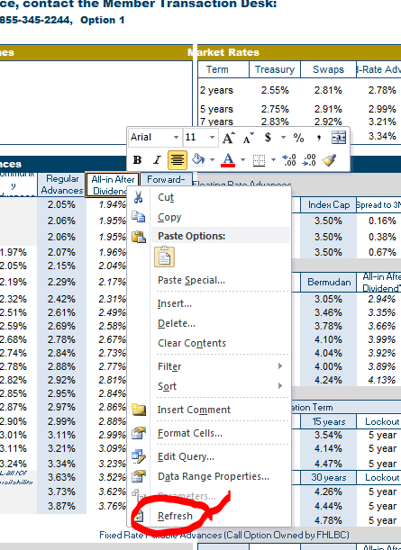
Today's Headlines |  |  |  |  | Market Rates
Reduced Capitalization Advance Program (RCAP) advances are available until the amount is exhausted. Short-term advances, including overnight advances are now included. Refer to RCAP terms and conditions posted in the Member Products Guide. |  |  |  |  | Term | Treasury | Swaps | Fixed-Rate Advances
 |  |  |  |  | 2 years | 2.56% | 2.72% | 2.76%
Please join us on Thursday, 01/17/2019, at 3pm for our Weekly Market Update Report presented by James Hotchkiss Jr. Early bird discount available on A120 (≤ 27 days) advances before 10:00 a.m. |  |  |  |  | 5 years | 2.55% | 2.65% | 2.86%
 |  |  |  |  | 7 years | 2.63% | 2.69% | 3.09%
 |  |  |  |  | 10 years | 2.73% | 2.77% | 3.33%

Fixed Rate Advances |  |  |  |  | Structured Advances
Term | Community Advances | Regular Advances | All-in After Dividend* | Forward- Starting | Capped Floating Rate Advances
1 week |  | 2.55% | 2.44% | Advances settle one year forward from today and then have stated term to maturity | Term | Index | Index Cap | Spread to 3ML | Rate Cap
2 weeks |  | 2.60% | 2.49% |  | 3 years | 3ML | 3.50% | 0.26% | 3.76%
3 weeks |  | 2.60% | 2.49% |  | 5 years | 3ML | 3.50% | 0.46% | 3.96%
1 month | 2.46% | 2.60% | 2.49% |  | 7 years | 3ML | 3.50% | 0.73% | 4.23%
3 months | 2.50% | 2.60% | 2.48% |  | Callable Advances
6 months | 2.55% | 2.65% | 2.53% |  | Term | Lockout | Bermudan | All-in After Dividend* | Option Cost
9 months | 2.63% | 2.73% | 2.62% |  | 3 years | 1 year | 3.07% | 2.95% | 0.30%
1 year | 2.66% | 2.76% | 2.64% | 2.78% | 5 years | 1 year | 3.28% | 3.16% | 0.41%
1.5 years | 2.67% | 2.77% | 2.65% | 2.77% | 7 years | 2 year | 3.60% | 3.48% | 0.51%
2 years | 2.66% | 2.76% | 2.65% | 2.79% | 10 years | 2 year | 3.95% | 3.84% | 0.63%
2.5 years | 2.66% | 2.76% | 2.64% | 2.81% | 10 years | 3 year | 3.83% | 3.71% | 0.50%
3 years | 2.67% | 2.77% | 2.66% | 2.84% | 10 years | 5 year | 3.73% | 3.61% | 0.40%
3.5 years | 2.69% | 2.79% | 2.68% | 2.86% | 15 years | 5 year | 4.09% | 3.98% | 0.51%
4 years | 2.72% | 2.82% | 2.70% | 2.89% | Callable Amortizing Advances
4.5 years | 2.73% | 2.83% | 2.72% | 2.96% |  | Lockout / Amortization Term
5 years | 2.76% | 2.86% | 2.75% | 3.03% | Term | Lockout | 15 years | Lockout | 15 years
6 years | 2.89% | 2.98% | 2.87% | 3.14% | 5 years | 2 year | 3.64% | 5 year | 2.89%
7 years | 2.99% | 3.09% | 2.97% | 3.26% | 10 years | 2 year | 4.28% | 5 year | 4.10%
10 years | 3.23% | 3.33% | 3.21% | 3.45% | 15 years | 2 year | 4.52% | 5 year | 4.33%
15 years | Call for availability | 3.58% | 3.46% |  | Term | Lockout | 30 years | Lockout | 30 years
20 years |  | 3.75% | 3.64% |  | 10 years | 2 year | 4.40% | 5 year | 4.22%
30 years |  | 4.02% | 3.90% |  | 15 years | 2 year | 4.58% | 5 year | 4.41%
 |  |  |  |  | 20 years | 2 year | 4.83% | 5 year | 4.65%
 |  |  |  |  | Fixed Rate Putable Advances (Call Option Owned by FHLBC)
Amortizing Advances |  |  |  |  | Term | Lockout | European | All-in After Dividend* | Option Value
 | Amortization Term |  |  |  | 5 years | 2 years | 2.42% | 2.30% | -0.35%
Term | 5 years | 7 years | 10 years | 15 years | 7 years | 3 years | 2.45% | 2.33% | -0.33%
5 years | 2.82% | 2.86% | 2.88% | 2.89% | 10 years | 5 years | 2.62% | 2.51% | -0.24%
7 years | na | 2.93% | 3.03% | 3.08% | Fixed Rate Floating Spread Advances
10 years | na | na | 3.12% | 3.26% | Term | Fixed Rate | Floating Spread | Initial Rate | Initial Difference
Term | 15 years | 20 years | 25 years | 30 years | 5 years | 2.84% | -0.18% | 2.66% | -0.20%
15 years | 3.37% | 3.49% | 3.54% | 3.56% | 7 years | 2.99% | -0.18% | 2.81% | -0.28%
20 years | na | 3.56% | 3.66% | 3.71% | 10 years | 3.09% | -0.18% | 2.91% | -0.42%
30 years | na | na | na | 3.85%

Floating Rate Advances
LIBOR Indexed Advances |  |  |  |  | Overnight Advances
 | Non-Prepayable |  | Prepayable (on reset dates) |  | Term |  | Minimum | Today | Prior Day
Term | Spread to 1ML | Spread to 3ML | Spread to 1ML | Spread to 3ML | 1 Day |  | No minimum | 2.54% | 2.54%
6 months | 0.14% | -0.07% | 0.18% | -0.05% | Open Line (Daily Rate Set)# |  | No minimum | 2.62% | 2.62%
1 year | 0.17% | 0.00% | 0.25% | 0.06% | #Rate set at and available until 3:00 pm; Late Day Advances available until 4:30 pm by calling 855-345-2244, Option 1.
18 months | 0.18% | 0.03% | 0.30% | 0.13% | Discount Note Indexed Advances^
2 years | 0.21% | 0.07% | 0.36% | 0.21% | Index / Rate Indic. | ≤ 3m | 3m - 1y | > 1y | Max Term
3 years | 0.29% | 0.16% | 0.44% | 0.31% | Overnight | 2.55% | na | na | 3 months
4 years | 0.35% | 0.22% | 0.50% | 0.37% | 4 week | 2.61% | 2.65% | 2.83% | 5 years
5 years | 0.39% | 0.27% | 0.54% | 0.42% | 13 Week | na | 2.65% | 2.84% | 5 years**
6 years | 0.49% | 0.38% | 0.64% | 0.53% | 26 Week | na | 2.70% | 2.85% | 5 years
7 years | 0.57% | 0.46% | 0.72% | 0.61% | ^Prepayable at par 1 day notice before reset **For advance term greater than 5 years up to 10 years, please call.
10 years | 0.73% | 0.62% | 0.88% | 0.77% | Other Floating Rate Advances
 |  |  |  |  | Term | Index |  | Spread | Prior Index
FHLBC Deposit Rates^ |  | DID (yesterday) |  | 2.24815% | 1 month | Market Fed Funds Effective |  | 0.20% | 2.40%
^Call for term deposit rates. |  |  |  |  | 1 month | FHLBC Fed Funds Effective** |  | 0.20% | 2.40%
 |  |  |  |  | **Pre-payable at par with 2 business day notice.

