DailyRateSheet
 |  |  |  |  |  |  |  | 7/18/18
 |  |  |  | Rate Indications
To refresh rates right click anywhere on the Rate Indications and click on "Refresh" as shown below.
Make sure data connections are "Enabled" if a warning appears in the ribbon area.
 |  | To take down an advance, contact the Member Transaction Desk:
 |  | 855-345-2244, Option 1

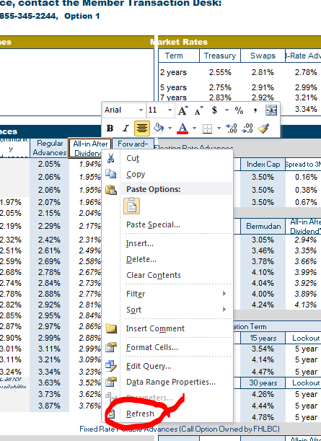
Today's Headlines |  |  |  |  | Market Rates
Reduced Capitalization Advance Program (RCAP) advances are available until the amount is exhausted. Short-term advances, including overnight advances are now included. Refer to RCAP terms and conditions posted in the Member Products Guide. |  |  |  |  | Term | Treasury | Swaps | Fixed-Rate Advances
 |  |  |  |  | 2 years | 2.61% | 2.83% | 2.84%
Early bird discount available on A120 (≤ 27 days) advances before 10:00 a.m. |  |  |  |  | 5 years | 2.76% | 2.90% | 2.99%
 |  |  |  |  | 7 years | 2.82% | 2.90% | 3.19%
 |  |  |  |  | 10 years | 2.86% | 2.93% | 3.33%

Fixed Rate Advances |  |  |  |  | Structured Advances
Term | Community Advances | Regular Advances | All-in After Dividend* | Forward- Starting | Capped Floating Rate Advances
1 week |  | 2.05% | 1.94% | Advances settle one year forward from today and then have stated term to maturity | Term | Index | Index Cap | Spread to 3ML | Rate Cap
2 weeks |  | 2.07% | 1.96% |  | 3 years | 3ML | 3.50% | 0.17% | 3.67%
3 weeks |  | 2.07% | 1.96% |  | 5 years | 3ML | 3.50% | 0.38% | 3.88%
1 month | 1.98% | 2.08% | 1.97% |  | 7 years | 3ML | 3.50% | 0.67% | 4.17%
3 months | 2.09% | 2.19% | 2.08% |  | Callable Advances
6 months | 2.23% | 2.33% | 2.22% |  | Term | Lockout | Bermudan | All-in After Dividend* | Option Cost
9 months | 2.37% | 2.46% | 2.35% |  | 3 years | 1 year | 3.08% | 2.97% | 0.17%
1 year | 2.53% | 2.63% | 2.52% | 3.13% | 5 years | 1 year | 3.48% | 3.37% | 0.49%
1.5 years | 2.62% | 2.72% | 2.61% | 3.11% | 7 years | 2 year | 3.77% | 3.65% | 0.57%
2 years | 2.74% | 2.84% | 2.73% | 3.14% | 10 years | 2 year | 4.10% | 3.99% | 0.77%
2.5 years | 2.78% | 2.88% | 2.77% | 3.15% | 10 years | 3 year | 4.04% | 3.92% | 0.71%
3 years | 2.81% | 2.91% | 2.79% | 3.11% | 10 years | 5 year | 4.00% | 3.89% | 0.67%
3.5 years | 2.84% | 2.94% | 2.83% | 3.11% | 15 years | 5 year | 4.19% | 4.08% | 0.57%
4 years | 2.87% | 2.96% | 2.85% | 3.11% | Callable Amortizing Advances
4.5 years | 2.88% | 2.98% | 2.86% | 3.16% |  | Lockout / Amortization Term
5 years | 2.89% | 2.99% | 2.88% | 3.21% | Term | Lockout | 15 years | Lockout | 15 years
6 years | 3.00% | 3.10% | 2.99% | 3.31% | 5 years | 2 year | 3.55% | 5 year | 3.02%
7 years | 3.10% | 3.19% | 3.08% | 3.36% | 10 years | 2 year | 4.14% | 5 year | 3.95%
10 years | 3.23% | 3.33% | 3.21% | 3.47% | 15 years | 2 year | 4.47% | 5 year | 4.28%
15 years | Call for availability | 3.62% | 3.51% |  | Term | Lockout | 30 years | Lockout | 30 years
20 years |  | 3.72% | 3.61% |  | 10 years | 2 year | 4.27% | 5 year | 4.07%
30 years |  | 3.84% | 3.73% |  | 15 years | 2 year | 4.45% | 5 year | 4.26%
 |  |  |  |  | 20 years | 2 year | 4.78% | 5 year | 4.59%
 |  |  |  |  | Fixed Rate Putable Advances (Call Option Owned by FHLBC)
Amortizing Advances |  |  |  |  | Term | Lockout | European | All-in After Dividend* | Option Value
 | Amortization Term |  |  |  | 5 years | 2 years | 2.54% | 2.43% | -0.30%
Term | 5 years | 7 years | 10 years | 15 years | 7 years | 3 years | 2.57% | 2.46% | -0.33%
5 years | 2.94% | 2.98% | 3.01% | 3.02% | 10 years | 5 years | 2.73% | 2.62% | -0.26%
7 years | na | 3.05% | 3.14% | 3.19% | Fixed Rate Floating Spread Advances
10 years | na | na | 3.20% | 3.29% | Term | Fixed Rate | Floating Spread | Initial Rate | Initial Difference
Term | 15 years | 20 years | 25 years | 30 years | 5 years | 3.09% | -0.16% | 2.93% | -0.06%
15 years | 3.41% | 3.53% | 3.58% | 3.61% | 7 years | 3.20% | -0.16% | 3.04% | -0.15%
20 years | na | 3.58% | 3.66% | 3.69% | 10 years | 3.24% | -0.16% | 3.08% | -0.24%
30 years | na | na | na | 3.78%

Floating Rate Advances
LIBOR Indexed Advances |  |  |  |  | Overnight Advances
 | Non-Prepayable |  | Prepayable (on reset dates) |  | Term |  | Minimum | Today | Prior Day
Term | Spread to 1ML | Spread to 3ML | Spread to 1ML | Spread to 3ML | 1 Day |  | No minimum | 2.04% | 2.04%
6 months | 0.08% | -0.10% | 0.12% | -0.08% | Open Line (Daily Rate Set)# |  | No minimum | 2.13% | 2.13%
1 year | 0.09% | -0.08% | 0.17% | -0.02% | #Rate set at and available until 3:00 pm; Late Day Advances available until 4:30 pm by calling 855-345-2244, Option 1.
18 months | 0.13% | -0.02% | 0.25% | 0.08% | Discount Note Indexed Advances^
2 years | 0.17% | 0.04% | 0.32% | 0.18% | Index / Rate Indic. | ≤ 3m | 3m - 1y | > 1y | Max Term
3 years | 0.21% | 0.08% | 0.36% | 0.23% | Overnight | 2.05% | na | na | 3 months
4 years | 0.24% | 0.13% | 0.39% | 0.28% | 4 week | 2.12% | 2.18% | 2.36% | 5 years
5 years | 0.26% | 0.15% | 0.41% | 0.30% | 13 Week | na | 2.23% | 2.42% | 5 years**
6 years | 0.36% | 0.26% | 0.51% | 0.41% | 26 Week | na | 2.38% | 2.53% | 5 years
7 years | 0.45% | 0.36% | 0.60% | 0.51% | ^Prepayable at par 1 day notice before reset **For advance term greater than 5 years up to 10 years, please call.
10 years | 0.55% | 0.47% | 0.70% | 0.62% | Other Floating Rate Advances
 |  |  |  |  | Term | Index |  | Spread | Prior Index
FHLBC Deposit Rates^ |  | DID (yesterday) |  | 1.75536% | 1 month | Market Fed Funds Effective |  | 0.17% | 1.91%
^Call for term deposit rates. |  |  |  |  | 1 month | FHLBC Fed Funds Effective** |  | 0.17% | 1.91%
 |  |  |  |  | **Pre-payable at par with 2 business day notice.

